Important Links
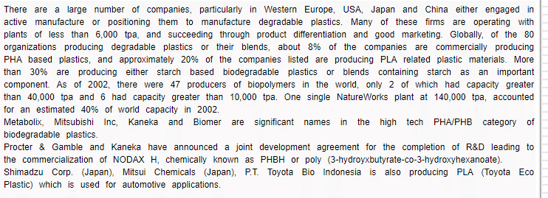
https://docs.european-bioplastics.org/publications/market_data/Report_Bioplastics_Market_Data_2019.pdf
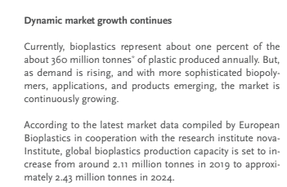

https://docs.european-bioplastics.org/publications/market_data/Report_Bioplastics_Market_Data_2019.pdf
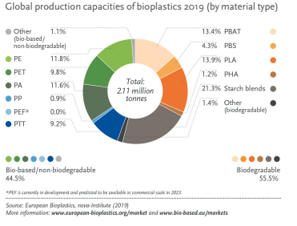

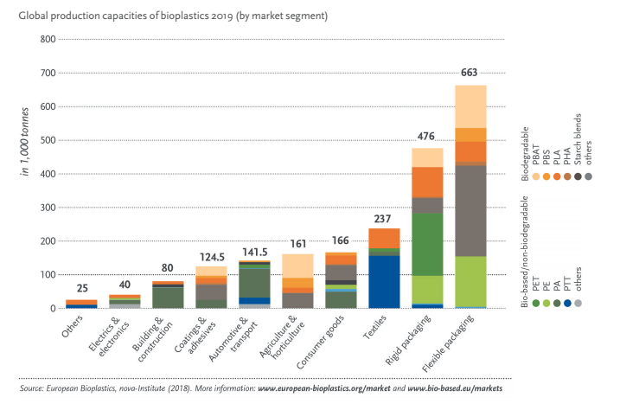

 | 430,000
 | 75,000
 | 100,000
 | 195,000
 | 32,000
 | 832,000

https://www.icis.com/explore/resources/news/2020/04/24/10499867/news-briefs

https://www.bio-based.eu/market_study/media/files/15-05-13_Bio-based_Polymers_and_Building_Blocks_in_the_World-nova_Booklet.pdf

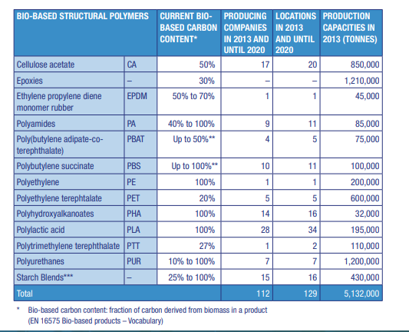

bio-on.it/immagini/comunicati-finanziari/CS_69_BIO-ON_10_12_2018_final_E.pdf

https://www.kaneka.co.jp/en/topics/news/nr20180824/

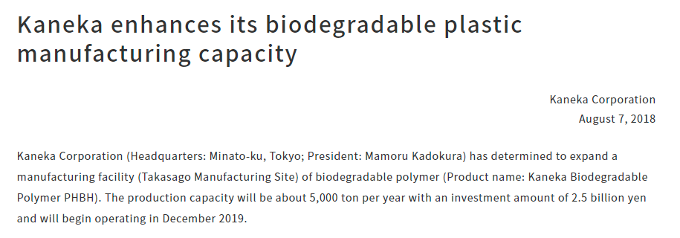

https://cen.acs.org/business/biobased-chemicals/Danimer-invest-big-PHA/99/i12

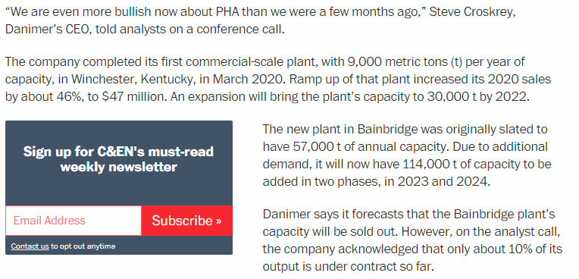

https://techcrunch.com/2020/05/05/rwdc-industries-is-a-new-startup-hoping-to-become-a-bioplastics-giant-in-athens-ga/

http://atozplastics.com/upload/Literature/Biopolymerhasagoodgrowthprospects.asp

